Sheet1
Description | Stock in UK | RRP | Total RRP | Image
Candle C37 E27 Clear 2W 2700K WW (220-240V) Filament | 2539 | £6.49 | £16,478.11 | 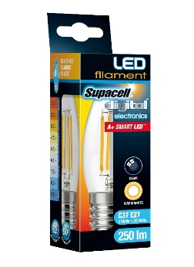
Candle C37 B15 Clear 4W 2700K WW (220-240V) Filament | 6563 | £6.49 | £42,593.87 | 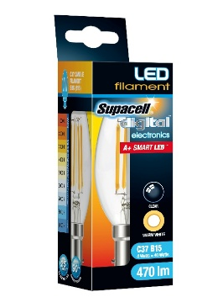
Candle C37 E27 Clear 4W 6500K CDW (220-240V) Filament | 1587 | £6.49 | £10,299.63
Golf G45 E14 Clear 4W 2700K WW (220-240V) Filament | 1800 | £6.49 | £11,682.00 | 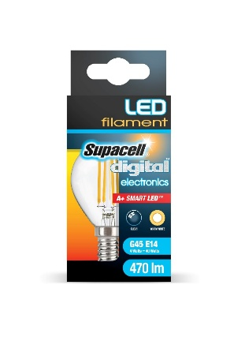
Golf G45 B15 Clear 4W 2700K WW (220-240V) Filament | 4423 | £6.49 | £28,705.27 | 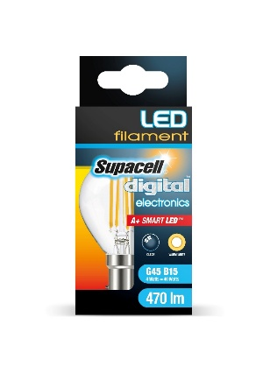
Golf G45 B22 Clear 4W 2700K WW (220-240V) Filament | 2313 | £6.49 | £15,011.37 | 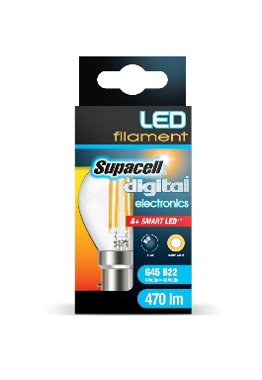
Gls A60 E27 Clear 4W 2700K WW (220-240V) Filament | 328 | £6.49 | £2,128.72 | 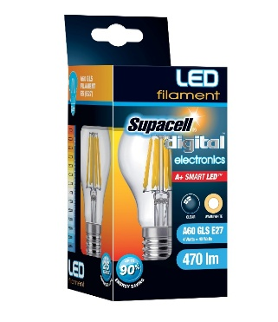
Gls A60 B22 Clear 4W 2700K WW (220-240V) Filament | 1768 | £6.49 | £11,474.32 | 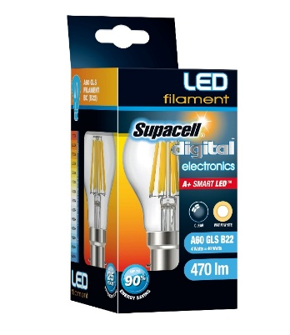
 | 21321 |  | £138,373.29

